DGI 10.28.25 Pricing Update
DGI Interior Design Updates 10/28/2025 |  |  |  |  |  | 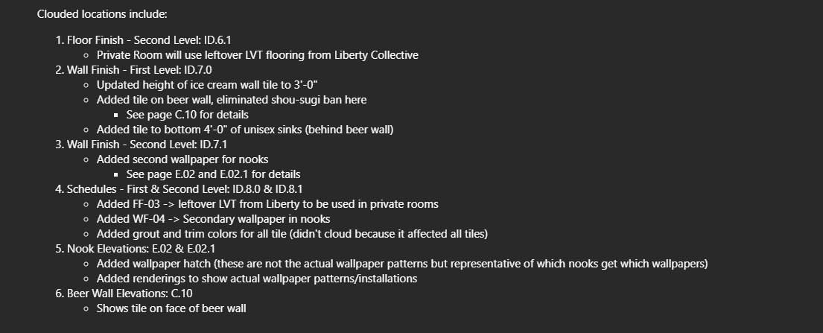
Floor Finish Private Room: Left Over Laminate Flooring
Task |  | Subcontractor |  | Add or Credit | Received?
Labor to install LVT |  | MKT Ready |  | Add | Yes
Labor to install wall base |  | MKT Ready |  | Add | No
Floor transition from SF |  | Diamond Glass |  | Add | No

Reduced tile height in Ice Cream from 4' to 3'
Task |  | Subcontractor |  | Add or Credit | Received?
Reduce Tile Backer |  | Superior |  | Credit | Yes
Labor |  | MKT Ready |  | Credit | Yes

Added tile to Beer Wall, eliminated Shou-Sugi Ban
Task |  | Subcontractor |  | Add or Credit | Received?
SSB Labor |  | MKT Ready |  | Credit | Yes
Install Tile Labor |  | MKT Ready |  | Add | Yes
Install Tile Backer |  | Superior |  | Add | Yes

Added tile under unisex sinks
Task |  | Subcontractor |  | Add or Credit | Received?
Install Tile Backer |  | Superior |  | Add | Yes
Install Tile Labor |  | MKT Ready |  | Add | Yes

Added Wallpaper for nooks
Task |  | Subcontractor |  | Add or Credit | Received?
Install Wallpaper |  | Vertex Painting |  | Add | Yes

MKT Ready | Vertex Painting | Superior
$16,550.00 | $2,100.00 | $875.00 | 3725
 | $2,850.00

Total | $19,525.00 | If no wallpaper is installed on ceilings
 | or
 | $20,275.00 | If wallpaper is installed on ceilings

